DEBJ-NDC FDNL-1104-99
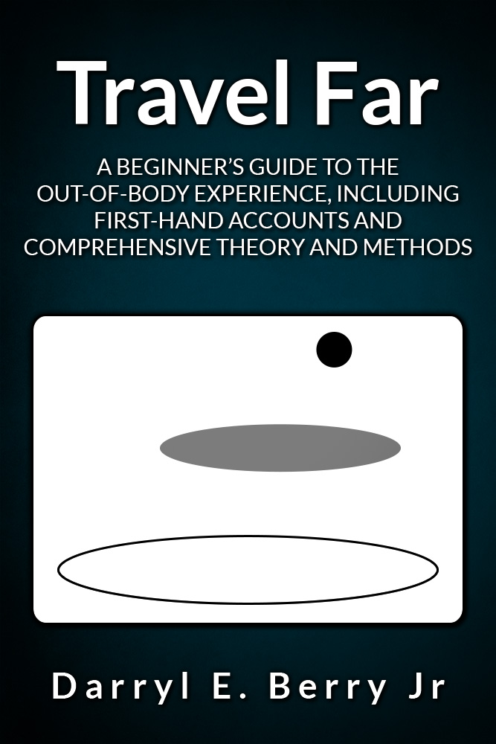
Darryl E Berry Jr's Next Density Center

FDNL-1104-99 – Developmental Basics Self-Study Course Training Charts

www.nextdensity.org

www.darryleberryjr.com/forums/

Copyright © 2015-2021 Darryl E Berry Jr

